Přehled
Program |  |  | Setup Sheet |  |  | Date
O | $program.name |  |  |  |  | $program.generationTime
Comment |  |  | Přehled |  |  | Part
$program.comment |  |  |  |  |  | $program.partName

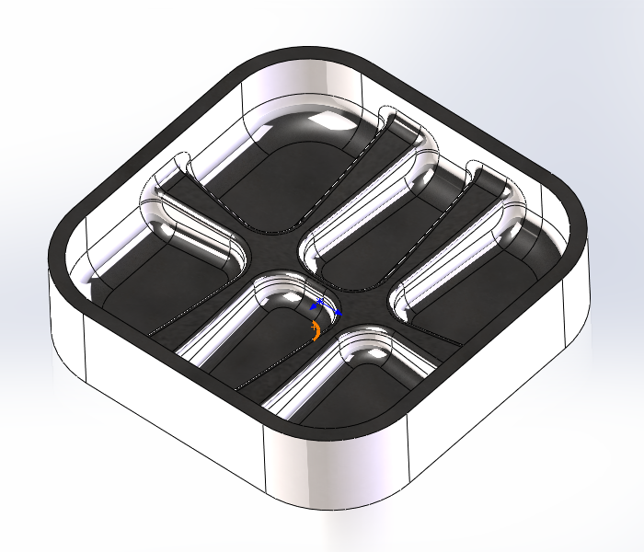
Reference |  | Job |  | $program.jobDescription
 |  | Programátor |  | Chromec Jan | $program.user
Part |  | DX |  | $program.partDX
 |  | DY |  | $program.partDY
 |  | DZ |  | $program.partDZ
Stock |  | DX |  | #VALUE!
 |  | DY |  | #VALUE!
 |  | DZ |  | #VALUE!
 |  | X min |  | $program.stockLowerX
 |  | Y min |  | $program.stockLowerY
 |  | Z min |  | $program.stockLowerZ
 |  | X max |  | $program.stockUpperX
 |  | Y max |  | $program.stockUpperY
 |  | Z max |  | $program.stockUpperZ
Toolpath |  | WCS # |  | $program.workOffset
 |  |  | # Operace | $program.numberOfSections
 |  | # Nástroje |  | $program.numberOfTools
 |  | Machining Time |  | $program.cycleTime
 |  | Vzdálenost obrábění |  | $program.cuttingDistance
 |  | Rapid Distance |  | $program.rapidDistance

